pivot table
Row Labels | Count of Order id | Sum of Profit 10% | Sum of Qty | Sum of Amount | AYUSH PRIVATE Ltd.
Jan | 86 | ₹ 88,026.00 | 399 | 880260 | Jamala Road Motihari Bihar
Feb | 81 | ₹ 69,642.20 | 307.8 | 696422
Mar | 92 | ₹ 83,735.00 | 370 | 837350
Apr | 86 | ₹ 83,792.00 | 339 | 837920
May | 89 | ₹ 65,368.00 | 307 | 653680
Jun | 90 | ₹ 87,658.00 | 383 | 876580 |  |  |  |  | Row Labels | Sum of Amount
Jul | 88 | ₹ 118,132.00 | 514 | 1181320 | Row Labels | Sum of Amount |  |  | Art | 1974370 | Art | 1974370
Aug | 81 | ₹ 91,773.00 | 386 | 917730 | Qtr1 | 2414032 |  |  | Computer | 1677384 | Computer | 1677384
Sep | 82 | ₹ 99,633.00 | 443 | 996330 | Qtr2 | 2368180 |  |  | Electronics | 1999150 | Electronics | 1999150
Oct | 86 | ₹ 66,848.00 | 313 | 668480 | Qtr3 | 3095380 |  |  | Mobiles | 2175180 | Mobiles | 2175180
Nov | 56 | ₹ 56,012.00 | 255 | 560120 | Qtr4 | 1965450 |  |  | Storage | 2016958 | Storage | 2016958
Dec | 64 | ₹ 73,685.00 | 263 | 736850 | Grand Total | 9843042 |  |  | Grand Total | 9843042 | Grand Total | 9843042
Grand Total | 981 | ₹ 984,304.20 | 4279.8 | 9843042

 | 981 | ₹ 9,843,042.00 | 4279.8 | ₹ 984,304.20
 |  |  |  |  | Row Labels | Sum of Qty
 |  |  |  |  | Art | 857.4 | Art | 857.4
 |  |  |  |  | Computer | 821.6 | Computer | 821.6
 |  |  |  |  | Electronics | 870 | Electronics | 870
 |  |  |  |  | Mobiles | 842.2 | Mobiles | 842.2
 |  |  |  |  | Storage | 888.6 | Storage | 888.6
 |  |  |  |  | Grand Total | 4279.8

DASHBOARD
AYUSH PRIVATE Ltd

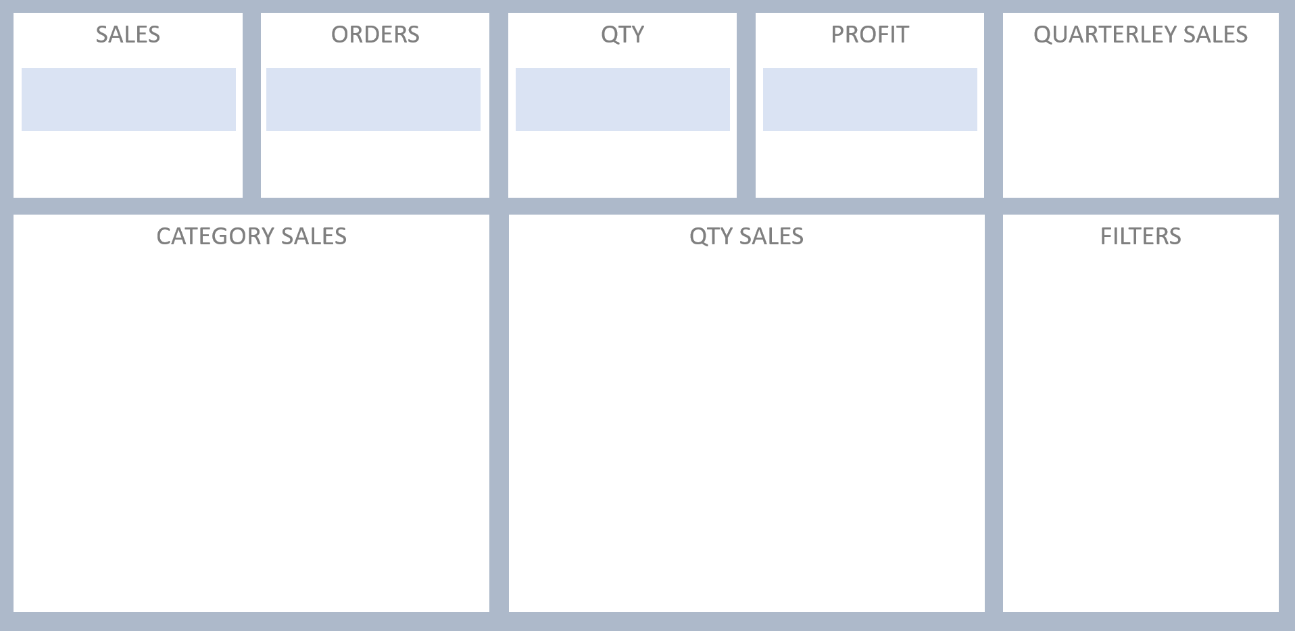

 | Total
Qtr1 | 2414032
Qtr2 | 2368180
Qtr3 | 3095380
Qtr4 | 1965450
₹ 98,43,042.00
981
4279.8
₹ 9,84,304.20

